Vorblatt
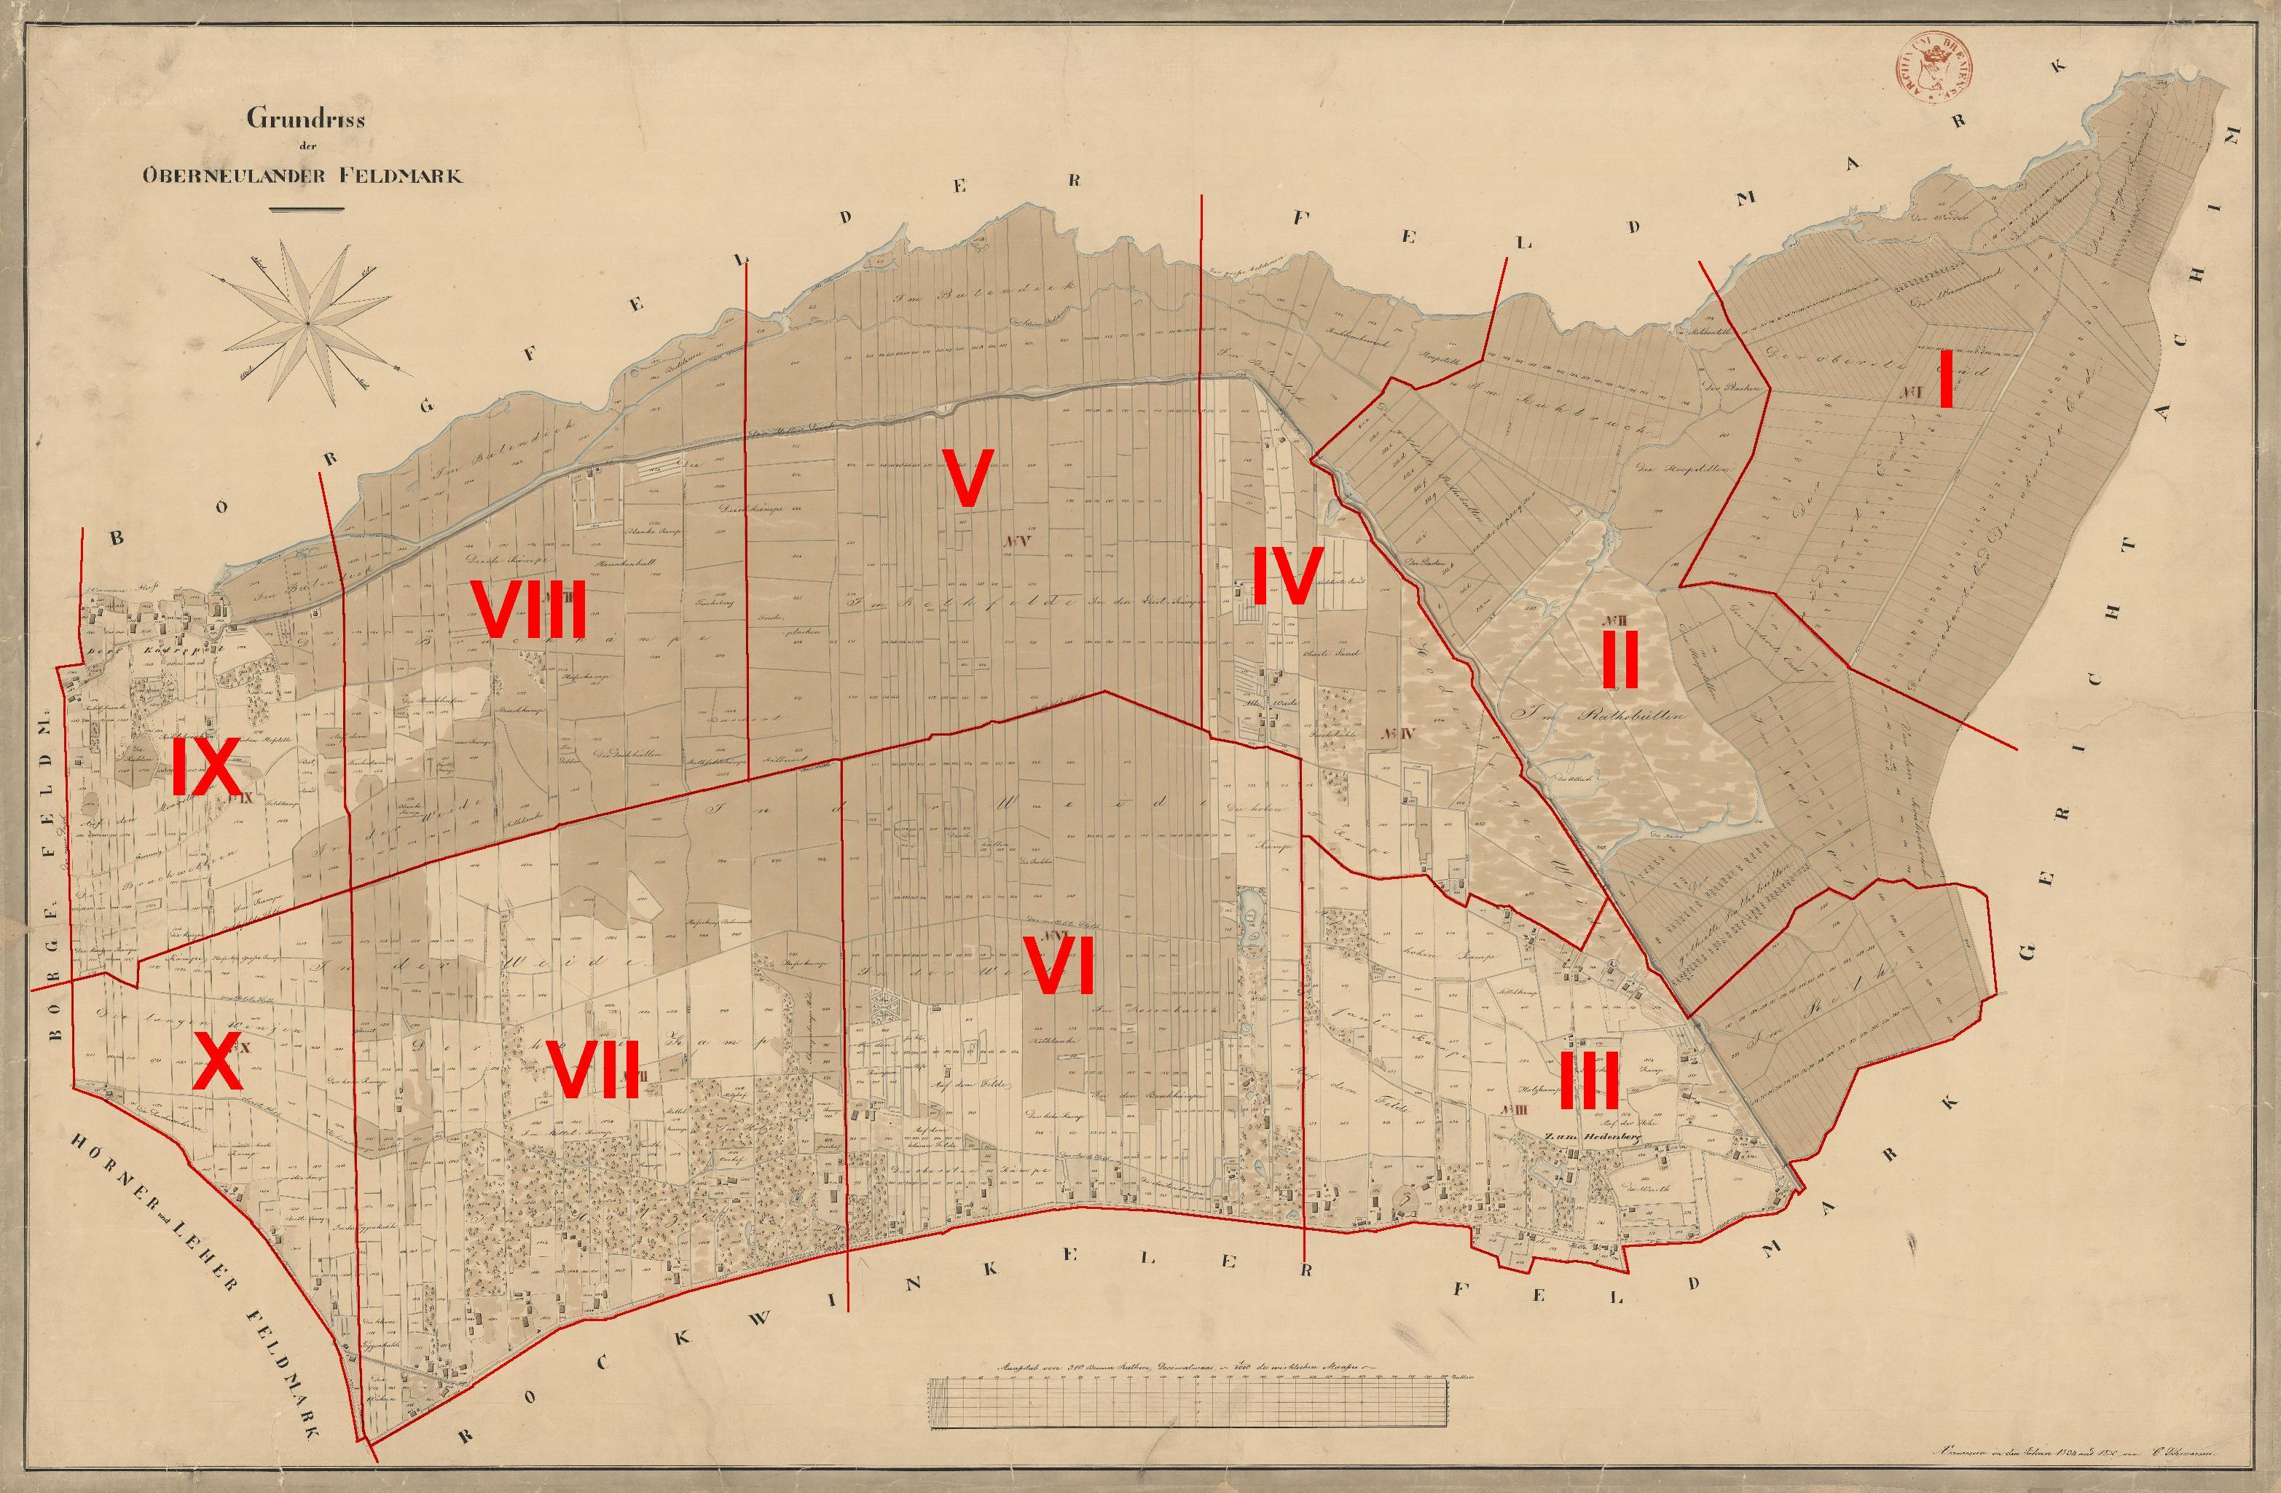

Aus den einzelnen Karten dieser Übersicht wurden die Namen der
Hofbesitzer extrahiert, und mit den geografischen Daten sowie den
historischen und aktuellen Adressen bezeichnet. Mit einem Klick
auf die aktuelle Adresse wird der Wohnsitz auf einer OpenStreetMap
Karte in einem Internet-Browser markiert. Eventuell muss dabei die
Strg.-Taste gedrückt werden.

Die Karten sind im Staatarchiv Bremen einsehbar unter dem Verzeichnis:
verz8701763
Signatur: StAB, 4.118, Karten 146 – 156
Beschreibungsmodell: Verzeichnung
Titel: Oberneuland - Übersicht
Laufzeit: 1834 - 1835
Enthält: Bem.: Reproduktion farbig s. 4,118-Bücher 117 (Abzüge 20x30),...
Organisations- und Aktenzeichen: 1:6000
Klassifikation Teil B: 254
Personenname: Oberneuland

